Report
Test Case Report
Test Case Report
Project Name | ShopZ_BD
Module Name | User Management
Features | Register, Login
Testing Environment | Google Chrome Browser, Android app
Test Case Version | 1
Written By | Md. Mohaimenur Rahman
Executed By | Md. Mohaimenur Rahman
Reviewed By | Samiha Jahan
TEST EXECUTION REPORT

Test Case | PASS | FAIL | Not Executed | Out Of Scope | Total TC
 | 39 | 5 | 0 | 0 | 44
Grand Total | 39 | 5 | 0 | 0 | 44

MindMap
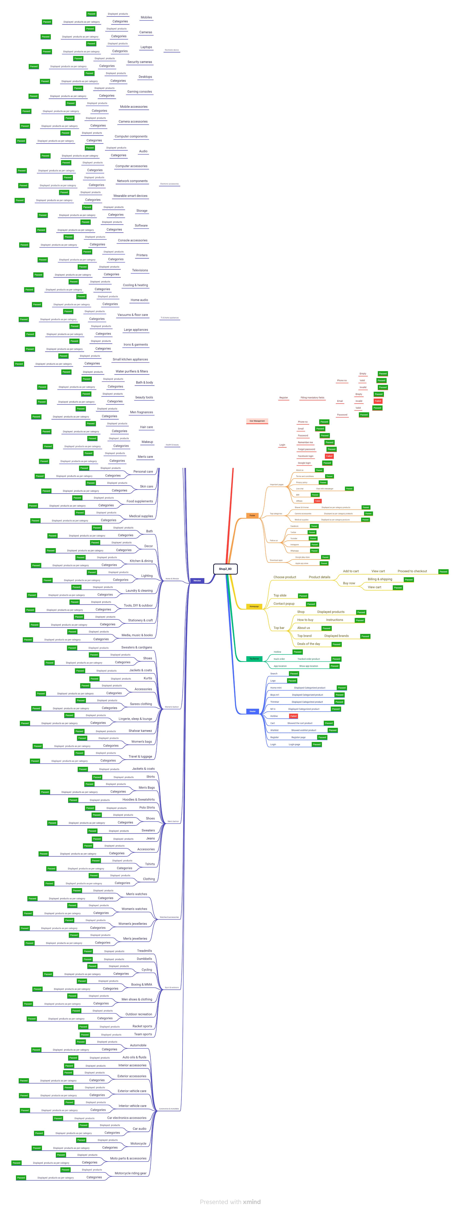
Mindmap for ShopZ_BD Website Testing

